Sheet1
 |  |  |  | Validation

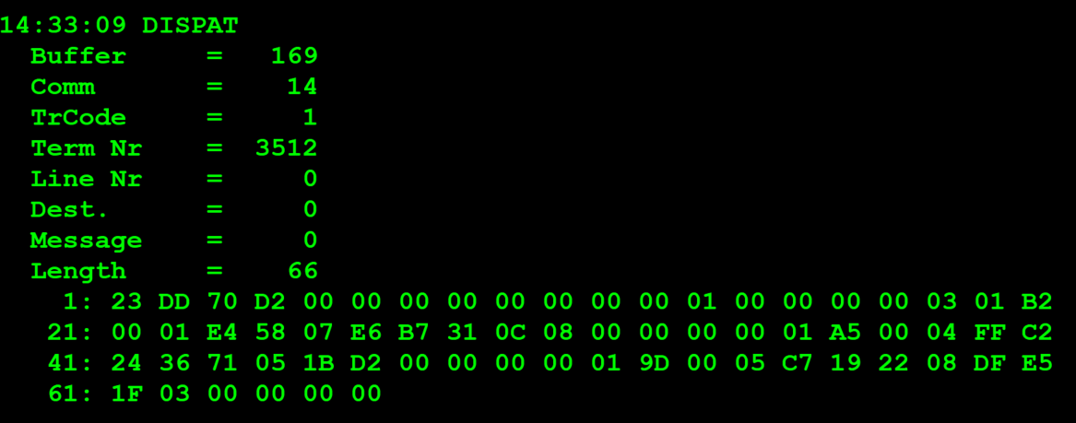
TestByte |  | Size | Field Contents |  | Hexa | Bin | Dec
Start | End
1 | 1 | 1 | Control | Sequence | 23 | Control=0010 Sequence=0011 | 2 3 | Control -> x10 - Application Message Sequence -> 3
2 | 2 | 1 | Type = 13 | Subtype = 13 | DD | Type=1101 Subtype=1101 | Type=13 Subtype=13 | Type = 13 Subtype = 13
3 | 4 | 2 | Checksum |  | 70 D2
5 | 5 | 1 | Statistics[1] |  | 00 |  | 0
6 | 7 | 2 | Option Flags |  | 00 00 |  | 0
8 | 8+n-1 | n | Option Data[2] |  | N
8+n | 8+n | 1 | Batch Flag (see below) |  | 00 |  | 0
9+n | 12+n | 4 | Retailer number, who gets the credit For non-privileged terminals this field should be set to 0. |  | 00 00 00 00 |  | 0
13+n | 13+n | 1 | Validation Mode ( 0 = Pay, 1 = Inquire with no updates ) |  | 01 |  | 1 | 1 = Inquire with no updates
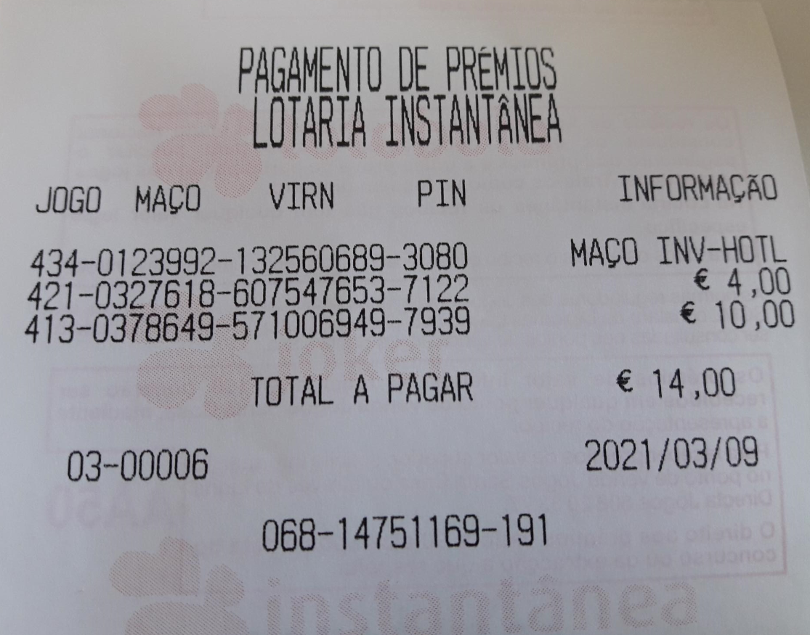
14+n | 17+n | 4 | Envelope Identification Number (generated by the terminal) For non-privileged terminal this field should be set to 0. |  | 00 00 00 00 |  | 0
18+n | 18+n | 1 | Number of Tickets in Batch |  | 03 |  | 3 | batch validation de 3 tickets
19+n | 20+n | 2 | Game Number (000-999) |  | 01 B2 |  | 434
21+n | 24+n | 4 | Pack Number |  | 00 01 E4 58 |  | 123992
25+n | 28+n | 4 | VIRN Number (9 digits) |  | 07 E6 B7 31 |  | 132560689
29+n | 30+n | 2 | Latex Number |  | 0C 08 |  | 3080
31+n | 34+n | 4 | Amount in cents |  | 00 00 00 00 |  | 0 CENT
19+n | 20+n | 2 | Game Number (000-999) |  | 01 A5 |  | 421
21+n | 24+n | 4 | Pack Number |  | 00 04 FF C2 |  | 327618
25+n | 28+n | 4 | VIRN Number (9 digits) |  | 24 36 71 05 |  | 607547653
29+n | 30+n | 2 | Latex Number |  | 1B D2 |  | 7122
31+n | 34+n | 4 | Amount in cents |  | 00 00 00 00 |  | 0 CENT
19+n | 20+n | 2 | Game Number (000-999) |  | 01 9D |  | 413
21+n | 24+n | 4 | Pack Number |  | 00 05 C7 19 |  | 378649
25+n | 28+n | 4 | VIRN Number (9 digits) |  | 22 08 DF E5 |  | 571006949
29+n | 30+n | 2 | Latex Number |  | 1F 03 |  | 7939
31+n | 34+n | 4 | Amount in cents |  | 00 00 00 00 |  | 0 CENT

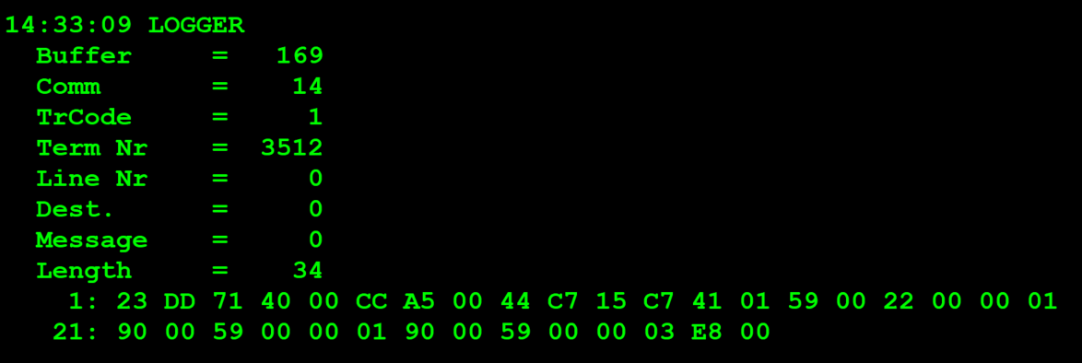
TestByte |  | Size | Field Contents
Start | End
1 | 1 | 1 | Control | Sequence | 23 | Control=0010 Sequence=0011 | 2 3 | Control -> x10 - Application Message Sequence -> 3
2 | 2 | 1 | Type = 13 | Subtype = 13 | DD | Type=1101 Subtype=1101 | Type=13 Subtype=13 | Type = 13 Subtype = 13
3 | 4 | 2 | Checksum |  | 71 40
5 | 7 | 3 | Time Stamp (seconds since midnight) |  | 00 CC A5 |  | 14:33:09.
8 | 9 | 2 | Julian Date (3 digits, unsigned) |  | 00 44 |  | 68
10 | 12 | 3 | External Serial Number (8 digits, unsigned) |  | C7 15 C7 |  | 13047239
13 | 13 | 1 | Check digit |  | 41 |  | 65
14 | 14 | 1 | Result Code 1 (see below) |  | 01 |  | 1 | 01 = Error (error code in Result Code 2, see Appendix B for values)
15 | 15 | 1 | Result Code 2 (see below) |  | 59 |  | 89
16 | 16 | 1 | Option Flags |  | 00
17 | 17+n | n | Option Data (see below) |  | N

 | TestByte |  | Size | Field Contents
 | Start | End
 | 1 | 1 | 1 | Ticket Result Code | 22
 | 2 | 5 | 4 | Prize Amount of Validated Ticket (In cents) | 00 00 01 90 |  | 400 cent | 4 euros
 | 6 | 6 | 1 | Pack status for the privileged terminal: | 00 |  | 0 | 0 – OK
 |  |  |  | Value:
 |  |  |  | 0 – OK
 |  |  |  | 1 – Missing
 |  |  |  | 2 - Stolen

 | TestByte |  | Size | Field Contents
 | Start | End
 | 1 | 1 | 1 | Ticket Result Code | 59
 | 2 | 5 | 4 | Prize Amount of Validated Ticket (In cents) | 00 00 01 90 |  | 400 cent | 4 euros
 | 6 | 6 | 1 | Pack status for the privileged terminal: | 00 |  | 0 | 0 – OK
 |  |  |  | Value:
 |  |  |  | 0 – OK
 |  |  |  | 1 – Missing
 |  |  |  | 2 - Stolen

 | TestByte |  | Size | Field Contents
 | Start | End
 | 1 | 1 | 1 | Ticket Result Code | 59
 | 2 | 5 | 4 | Prize Amount of Validated Ticket (In cents) | 00 00 03 E8 |  | 1000 CENT | 10 EUROS
 | 6 | 6 | 1 | Pack status for the privileged terminal: | 00 |  | 0 | 0 – OK
 |  |  |  | Value:
 |  |  |  | 0 – OK
 |  |  |  | 1 – Missing
 |  |  |  | 2 - Stolen

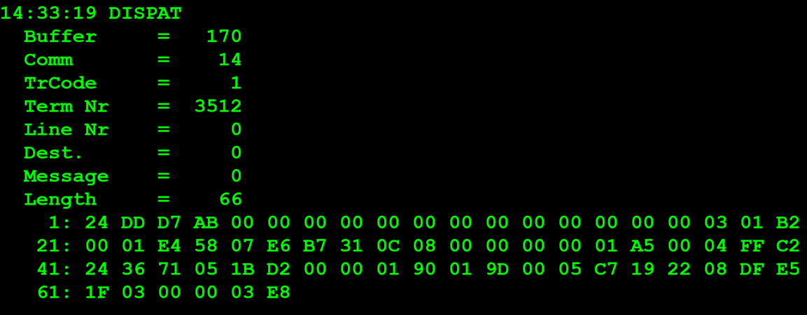
 |  |  |  | Payment

TestByte |  | Size | Field Contents
Start | End
1 | 1 | 1 | Control | Sequence | 24 | Control=0010 Sequence=0100 | 2 4 | Control -> x10 - Application Message Sequence -> 4
2 | 2 | 1 | Type = 13 | Subtype = 13 | DD | Type=1101 Subtype=1101 | Type=13 Subtype=13 | Type = 13 Subtype = 13
3 | 4 | 2 | Checksum |  | D7 AB
5 | 5 | 1 | Statistics[1] |  | 00
6 | 7 | 2 | Option Flags |  | 00 00
8 | 8+n-1 | n | Option Data[2] |  | N
8+n | 8+n | 1 | Batch Flag (see below) |  | 00
9+n | 12+n | 4 | Retailer number, who gets the credit For non-privileged terminals this field should be set to 0. |  | 00 00 00 00
13+n | 13+n | 1 | Validation Mode ( 0 = Pay, 1 = Inquire with no updates ) |  | 00 |  |  | 0 = Pay
14+n | 17+n | 4 | Envelope Identification Number (generated by the terminal) For non-privileged terminal this field should be set to 0. |  | 00 00 00 00
18+n | 18+n | 1 | Number of Tickets in Batch |  | 03 |  | 3 | 3 tickets por batch
19+n | 20+n | 2 | Game Number (000-999) |  | 01 B2 |  | 434
21+n | 24+n | 4 | Pack Number |  | 00 01 E4 58 |  | 123992
25+n | 28+n | 4 | VIRN Number (9 digits) |  | 07 E6 B7 31
29+n | 30+n | 2 | Latex Number |  | 0C 08 |  | 3080
31+n | 34+n | 4 | Amount in cents |  | 00 00 00 00 |  | 0 | 0
19+n | 20+n | 2 | Game Number (000-999) |  | 01 A5 |  | 421
21+n | 24+n | 4 | Pack Number |  | 00 04 FF C2 |  | 327618
25+n | 28+n | 4 | VIRN Number (9 digits) |  | 24 36 71 05 |  | 607547653
29+n | 30+n | 2 | Latex Number |  | 1B D2 |  | 7122
31+n | 34+n | 4 | Amount in cents |  | 00 00 01 90 |  | 400 CENT | 4 EUROS
19+n | 20+n | 2 | Game Number (000-999) |  | 01 9D |  | 413
21+n | 24+n | 4 | Pack Number |  | 00 05 C7 19 |  | 378649
25+n | 28+n | 4 | VIRN Number (9 digits) |  | 22 08 DF E5 |  | 571006949
29+n | 30+n | 2 | Latex Number |  | 1F 03 |  | 7939
31+n | 34+n | 4 | Amount in cents |  | 00 00 03 E8 |  | 1000 CENT | 10 EUROS

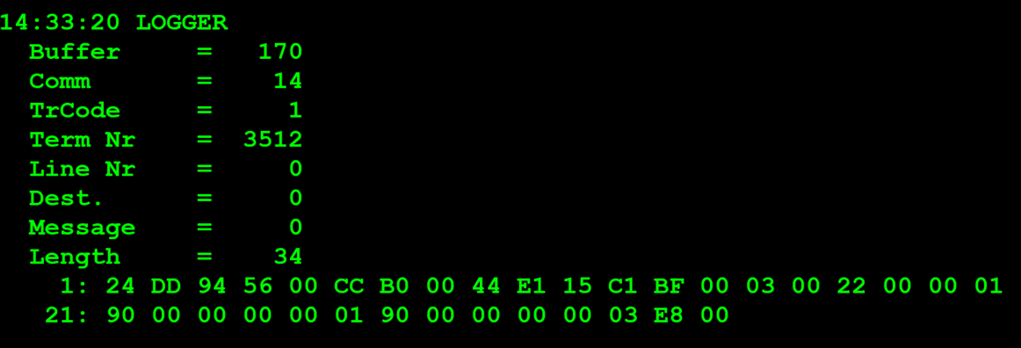

TestByte |  | Size | Field Contents
Start | End
1 | 1 | 1 | Control | Sequence | 24 | Control=0010 Sequence=0100 | 2 4 | Control -> x10 - Application Message Sequence -> 4
2 | 2 | 1 | Type = 13 | Subtype = 13 | DD | Type=1101 Subtype=1101 | Type=13 Subtype=13 | Type = 13 Subtype = 13
3 | 4 | 2 | Checksum |  | 94 56
5 | 7 | 3 | Time Stamp (seconds since midnight) |  | 00 CC B0 |  | 52400 | 14:33:20.
8 | 9 | 2 | Julian Date (3 digits, unsigned) |  | 00 44 |  | 68 | 068
10 | 12 | 3 | External Serial Number (8 digits, unsigned) |  | E1 15 C1 |  | 14751169
13 | 13 | 1 | Check digit |  | BF |  | 191
14 | 14 | 1 | Result Code 1 (see below) |  | 00 |  | 0 | 00 = No error (number of tickets in the batch in Result Code 2)
15 | 15 | 1 | Result Code 2 (see below) |  | 03 |  | 3 | 0x03 = New bank validation mid/high tier response (bank transfer accepted)
16 | 16 | 1 | Option Flags |  | 00
17 | 17+n | n | Option Data (see below) |  | N

 | TestByte |  | Size | Field Contents
 | Start | End
 | 1 | 1 | 1 | Ticket Result Code | 22
 | 2 | 5 | 4 | Prize Amount of Validated Ticket (In cents) | 00 00 01 90 |  | 400 CENT | 4 EUROS
 | 6 | 6 | 1 | Pack status for the privileged terminal: | 00 |  | 0 | 0 – OK
 |  |  |  | Value:
 |  |  |  | 0 – OK
 |  |  |  | 1 – Missing
 |  |  |  | 2 - Stolen

 | TestByte |  | Size | Field Contents
 | Start | End
 | 1 | 1 | 1 | Ticket Result Code | 00
 | 2 | 5 | 4 | Prize Amount of Validated Ticket (In cents) | 00 00 03 E8 |  | 1000 CENT | 10 EUROS
 | 6 | 6 | 1 | Pack status for the privileged terminal: | 00 |  | 0 – OK
 |  |  |  | Value:
 |  |  |  | 0 – OK
 |  |  |  | 1 – Missing
 |  |  |  | 2 - Stolen

